Cover Page
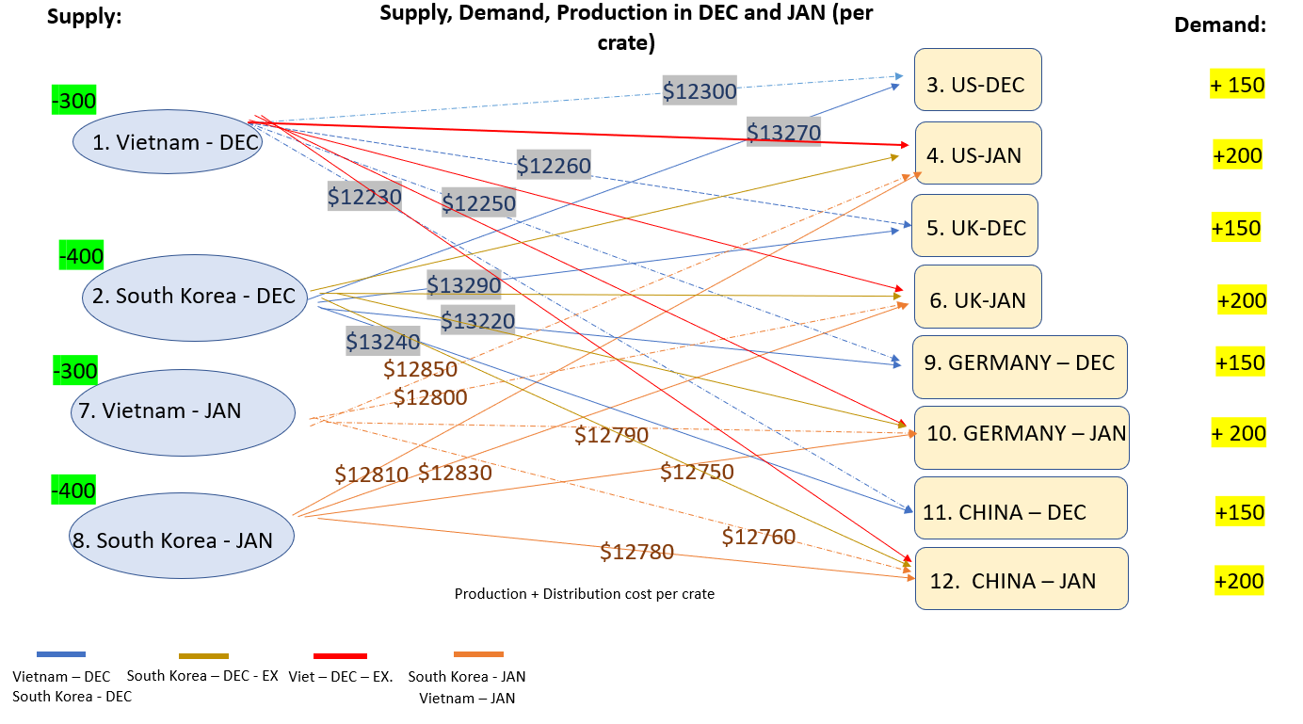
Assignment 1 SpreadSheet Modelling
Course Title: Business Decision Modelling (S2, 2022)
Course Code: FIT3158
Submitted By:
Pei Ern Cassandra Tong
Daryl Loo
Rui Qin (Allen) Due Date: 14th October 2022 11:00 PM
Submission Date: 14th October 2022
Case 2: Network Modelling Production and Distribution at ModularDynamics
Case Description:
ModularDynamics are manufacturing self-adapting robotic arms and distributing to the US,UK, Germany and China markets. The company would like to develop a plan to optimise the production and distribution of the robotic arms in the future months of December and January. Each production cost of a robotic arm in Vietnam will cost about $1200 in December and $1250 in January, while in South Korea, it will cost $1300 in December and $1250 in January. The transportation cost per crate of 10 robotic arm units will be added separately. The overall objective of this project is to find the optimal way to fullfil the demand at each country's market at the minimum cost.
Network Diagram:
Team Member Contributions:
Daryl Loo - Model (20%), Diagram (10%), Report (10%)
Cassandra - Model (60%), Diagram (80%), Report (80%)
Allen - Model (20%), Diagram (10%), Report (80%)

Case 2 Model
Modular Dynamics
Determine the minimum cost production and distribution
Considering the network flows as representing the number of crates being shipped

 | Ship | From |  | To |  | L.B. | U.B | Cost | Node |  | Net Flow | Supply/Demand (Number of crates)
 | 1 | 1 | V-DEC | 3 | US-DEC | 1 | 300 | $12,300 | V-DEC | 1 | -300.00 | -300
 | 149 | 2 | SK-DEC | 3 | US-DEC | 1 | 400 | $13,270 | SK-DEC | 2 | -300.00 | -400
 | 149 | 1 | V-DEC | 4 | UK-DEC | 1 | 300 | $12,260 | US-DEC | 3 | 150.00 | 150
 | 1 | 2 | SK-DEC | 4 | UK-DEC | 1 | 400 | $13,290 | UK-DEC | 4 | 150.00 | 150
 | 1 | 1 | V-DEC | 5 | G-DEC | 1 | 300 | $12,250 | G-DEC | 5 | 150.00 | 150
 | 149 | 2 | SK-DEC | 5 | G-DEC | 1 | 400 | $13,220 | CN-DEC | 6 | 150.00 | 150
 | 149 | 1 | V-DEC | 6 | CN-DEC | 1 | 300 | $12,230 | V-DEC-EX | 7 | 0.00 | 800
 | 1 | 2 | SK-DEC | 6 | CN-DEC | 1 | 400 | $13,240 | SK-DEC-EX | 8 | -100.00 | 900
 | 0 | 7 | V-DEC-EX | 11 | US-JAN | 0 | 800 | $1,000 | V-JAN | 9 | -300.00 | -300
 | 100 | 8 | SK-DEC_EX | 12 | UK-JAN | 0 | 900 | $1,000 | SK-JAN | 10 | -400.00 | -400
 | 0 | 7 | V-DEC-EX | 13 | G-JAN | 0 | 800 | $1,000 | US-JAN | 11 | 200.00 | 200
 | 0 | 8 | SK-DEC-EX | 14 | CN-JAN | 0 | 900 | $1,000 | UK-JAN | 12 | 200.00 | 200
 | 1 | 9 | V-JAN | 11 | US-JAN | 1 | 300 | $12,850 | G-JAN | 13 | 200.00 | 200
 | 199 | 10 | SK-JAN | 11 | US-JAN | 1 | 400 | $12,810 | CN-JAN | 14 | 200.00 | 200
 | 99 | 9 | V-JAN | 12 | UK-JAN | 1 | 300 | $12,800
 | 1 | 10 | SK-JAN | 12 | UK-JAN | 1 | 400 | $12,830
 | 1 | 9 | V-JAN | 13 | G-JAN | 1 | 300 | $12,790
 | 199 | 10 | SK-JAN | 13 | G-JAN | 1 | 400 | $12,750
 | 199 | 9 | V-JAN | 14 | CN-JAN | 1 | 300 | $12,760
 | 1 | 10 | SK-JAN | 14 | CN-JAN | 1 | 400 | $12,780

 |  |  |  |  |  | Total cost | $16,691,230.00

Report
Report Summary:
Based on the case 2 model, the calculated total minimum cost is $ 16,691,230.00 . The output of the model is calculated from a solver to determine the supply distribution of the robotic arms to each market country. From the model, we can see that South Korea has distributed 300 crates supply of robotic arms to each country when there is 400 crates supply available in the inventory. In this case, South Korea is holding the extra 100 crates from December and will distribute towards the next month. While, UK in January is receiving 100 crates less than the demand, thus in our solution we have assumed that the 100 crates will be distributed from South Korea, where the extra crates are held, distributing to UK in January to fulfil its demand. The cost of the model is calculated based on per crate (10 units per crate) including the shipping cost to distribute to each country. Considering the minimum distribution to each country, based on the case study it is 1 crate per distribution.
Decision Variables are the number of shipment to each market country.

